Sheet1
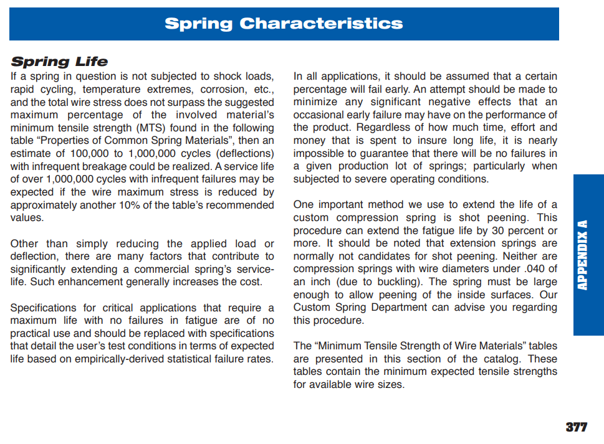
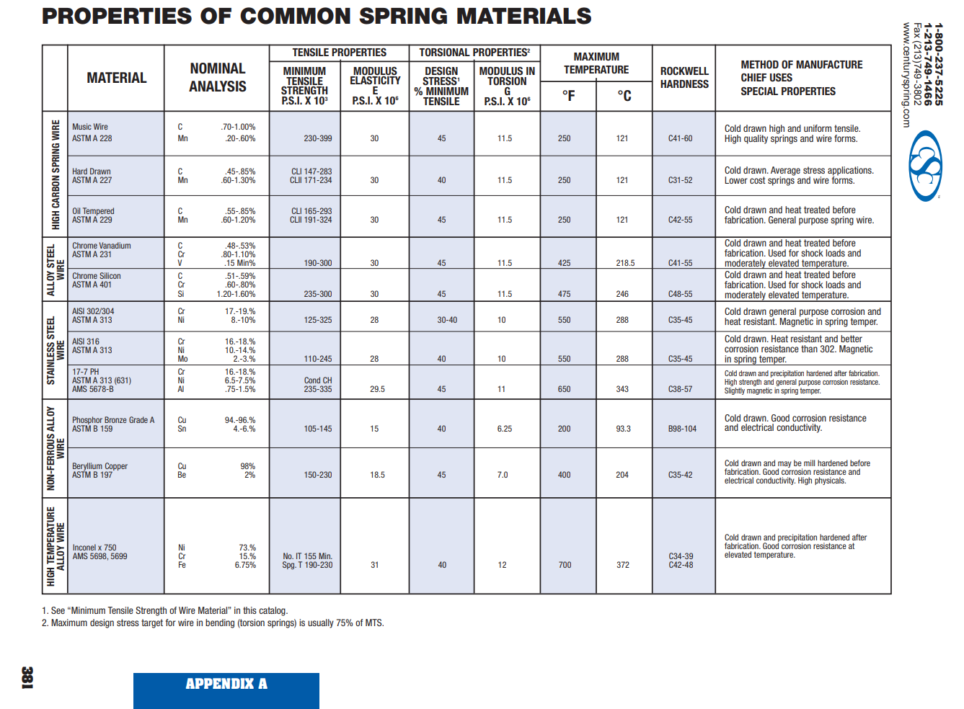
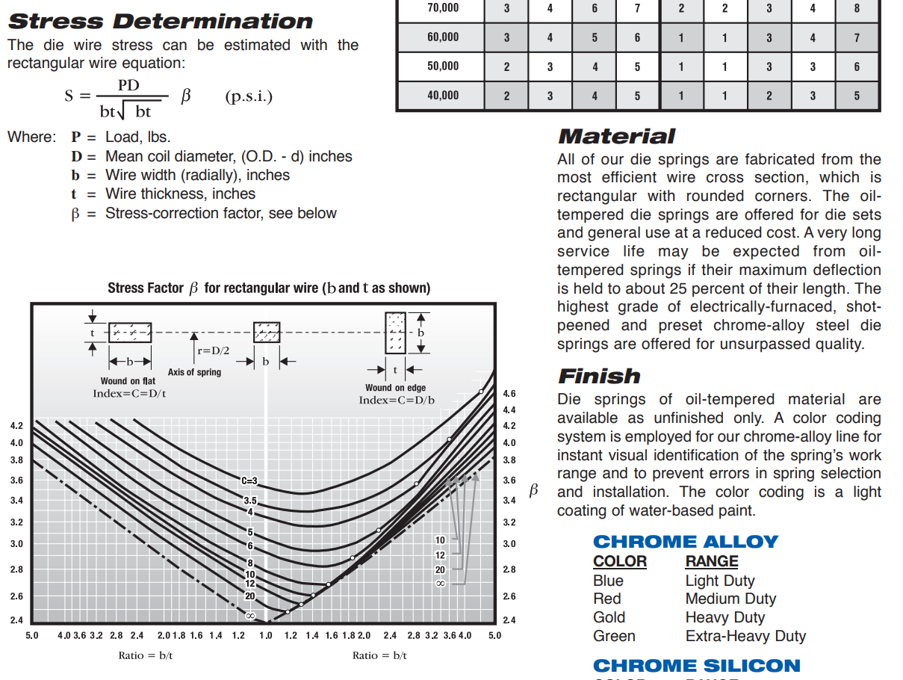
Spring | D-1117 |  |  | Spring | D-1118
 |  | english |  |  |  | english
Free Length (mm) |  | 2 |  | Free Length (mm) |  | 2.5
Additional Preload (mm) |  | 0.18 |  | Additional Preload (mm) |  | -0.3
Spring Rate |  | 88 | lbs/inch | Spring Rate |  | 60
Open Length (mm) | 55.36 | 2.1795275591 |  | Open Length (mm) | 55.36 | 2.1795275591
Length at cut start (mm) | 49.92 | 1.9653543307 |  | Length at cut start (mm) | 49.92 | 1.9653543307
Compressed Length (mm) | 44.55 | 1.7539370079 |  | Compressed Length (mm) | 44.55 | 1.7539370079
Stoke at cut start (mm) | 5.44 | 0.21417322835 |  | Stoke at cut start (mm) | 5.44 | 0.21417322835
Stroke (mm) | 10.81 | 0.42559055118 |  | Stroke (mm) | 10.81 | 0.42559055118

Pre load |  | 0.04157480315 |  | Pre load |  | 1.2283464567
Load at cut start |  | 18.888818898 |  | Load at cut start |  | 14.078740157
Load at max stroke |  | 37.493543307 |  | Load at max stroke |  | 26.763779528

% Deflection |  | 0.21303149606 |  | % Deflection |  | 0.17842519685

Min Tensile Strength (PSI) | 190000 |  |  | Min Tensile Strength (PSI) | 190000 | (Book = 190 to 300)
Design Stress % of Min Tens | 35 |  |  | Design Stress % of Min Tens | 35

Hole Dia (in) | 0.625 |  |  | Hole Dia (in) | 0.625
Rod Dia (in) | 0.344 |  |  | Rod Dia (in) | 0.344
D - mean diameter (in) | 0.4845 |  |  | D - mean diameter (in) | 0.4845
b - Wire width Radial (in) | 0.109 |  |  | b - Wire width Radial (in) | 0.109
t - Wire thickness (in) | 0.069 |  |  | t - Wire thickness (in) | 0.069
C = D/t | 7.0217391304 |  |  | C = D/t | 7.0217391304
Ratio b/t | 1.5797101449 |  |  | Ratio b/t | 1.5797101449
Beta (from table) | 3.15 |  |  | Beta (from table) | 3.15

S - Stress (PSI) | 87729.860198 | S = P*D*Beta/(b*t*(b*t)^0.5) |  | S - Stress (PSI) | 62623.652747 | S = P*D*Beta/(b*t*(b*t)^0.5)
Stress % of Min Tens | 46% | Good if less than Design Stress % of min tensile stress |  | Stress % of Min Tens | 33% | Good if less than Design Stress % of min tensile stress

